Sheet1
 | The Energy and Exergy of Light
 | Heun, Marshall, Aramendia, Brockway
 | Responses to Round 1 reviewer comments

 | Reviewer 1

 | Comment | Response | Responsible | Plan | Status of changes
1.1 | Symbols used in Table 8 should be written in Nomenclature. |  | MKH | I think this is a rererence to placement of the table. It is not worth our time to fiddle with table placement prior to receiving the proofs.
1.2 | Tables 8,9, 10 and 11: it is better to combine the Tables into one nomenclature. |  | MKH | Make the change that has been suggested. Use the longtable package.

 | Reviewer 2

 | Comment | Response | Responsible | Plan | Status of changes
2.1 | However, it should be proofread before the final submission. For example, page 2 line 33, "Ahead...Section 2.1, we..." |  | MKH | Make any proofreading changes
2.2 | However, it should be proofread before the final submission. page 2 line 40, "...sensitivity (see Figure 1). |  | MKH | Make any proofreading changes

 | Reviewer 3

 | Comment | Response | Responsible | Plan | Status of changes

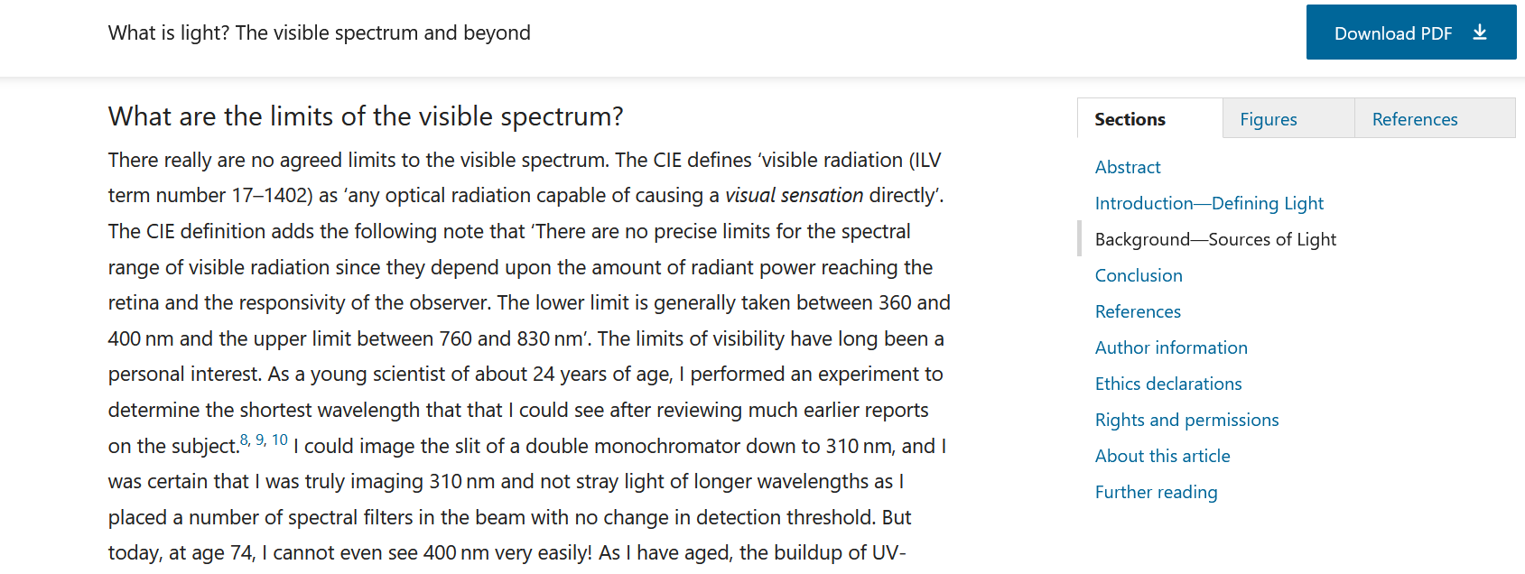
3.1 | The authors have not expressed their own consideration about why the societal exergy analysis is suitable to lighting technology. It is not enough to just cite some references and then to follow the steps in the references. |  | MKH | The reviewer misunderstands SEA. SEA is not a method that is applied to lighting technology. Lighting technology is a PART OF SEA. We should clarify this point in the manuscript so that readers will not be similarly confused.
3.2 | As stated in lines 5-6, the societal exergy practitioners conventionally estimate the exergetic efficiency of lamps by an energy efficiency. Why does the conventional estimation bring to confusion and mis- takes? What kinds of confusion and mistakes will happen? |  | MKH | The reviewer is referring to the abstract here. We discuss the confusion in the body of the paper. In response to this comment, we should point the reviewer to the place in the body of the paper where we discuss the confusion. We should also consider whether the confusions are highlighted enough in the body of the paper. If not, highlight the confusions and mistakes.
3.3 | The authors are strongly suggested to have detailed discussion on the motivation. |  | MKH | I think we provided a detailed discussion of the motivation. We should review that discussion and decide whether to enhance that discussion. I expect that making a simple enhancement will suffice for the reviewer.
3.4 | One of the most bases of the discussion throughout the manuscript is the application of the second law of thermodynamics, for example in the lines 146-148. As a matter of fact, the second law of thermodynamics does hold in isolated systems. However, the general lighting systems are closed systems rather than isolated ones. Will it take any changes? |  | MKH | Perhaps we should back away from 2nd Law language and consider exergy accounting language. We are actually doing exergy accounting, anyway.
3.5 | In the figure caption of Fig. 1, it mentions “...the color matching function provided in the R package...”. However, the photopic luminous weighting function usually cite to the formal CIE publications. R packages are not the most original citation sources. |  | ZM | Add a reference to the CIE weighting function in the Fig. 1 caption. Add this in addition to the ggspectra reference and say that ggspectra implements the CIE function. | ZM: Will do!
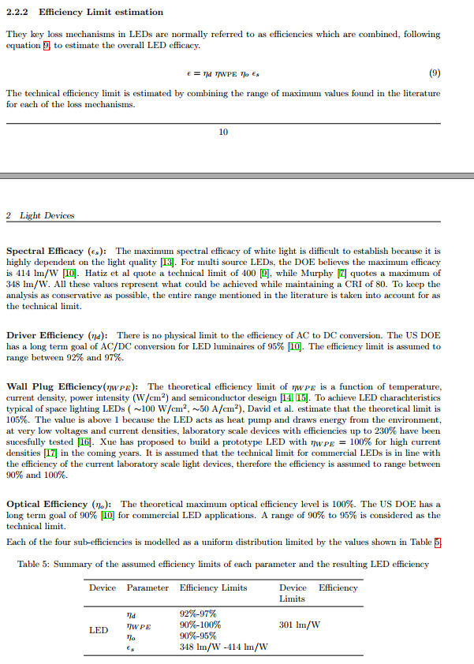
3.6 | According to the recommendations from CIE, the range of human retinal sensitivity is from 380 nm to 780 nm. In line 39, eq. (31), and table 2, the upper limit 780 nm is wrongly taken as 750 nm. |  | ZM | Investigate and decide whether to change to 780 nm. What implications will that have in the calculations and throughout the paper? | ZM: I think we should stick with the results we have using an upper limit of 750 nm, and simply state "for the purposes of our analysis we consider the region between 380nm-750nm to constitute visible light" and then cite our original source for this (which i'll find). We could also cite Sliney (2016) about the fuzziness of determining this range (see right, and in dropbox). Many sources even restrict the range to 400-700nm!
3.7 | The paragraph in lines 86-91 is described in a very confusing expression. The luminous efficacy 284-350 lm/W is not including any energy loss, and just focuses on the effect of the photopic luminous weighting function itself only. For the completeness, it is called as THE LUMINOUS EFFICACY OF RADIATION. On the other hand, the electric wall-plugging efficiency, the internal efficiency, the extraction efficiency, the optic utilization factor are combined into THE LUMINOUS EFFICACY OF A SOURCE for the energy conversion efficiency. |  | ZM | Diagnose the problem by discerning where the confusion emerges from this paragraph. Rewrite for clarity. | ZM: I believe reviewer three's comment to be wrong here. Paoli & Cullen use four stages of energy loss to produce the figure 284-350 lm/W (Spectral Efficiency, Driver Efficiency, Wall Plug Efficiency, and Optical Efficiency - see right). The Luminous Efficacy of radiation that he refers to is the bottom row of table 5 (see right) - the spectral efficacy. The luminous effiacy of a source which he refers to is the 284-250 lm/W which includes all of the aformentioned stages.
3.8 | In the section of 2.1.1, all the upper dots over the variables should be deleted. It discusses on the energy conversion, rather than on the temporal change rate of the energies. |  | MKH | I strongly disagree with making this change. The reviewer misunderstands the overdots as derivatives with respect time. In our nomenclature, the overdots indicate flow rates. We should be clearer about the meaning of the overdots in the nomenclature section, and we should note that neither of the other reviewers suggested this change.
3.9 | The equations (8) and (14) needs well arrangement such as to reduce the confusion. |  | MKH | Put equations on separate lines
Final-to-Useful Aggregate Energy and Exergy Efficiencies of Electric Lighting in the USA (1880-2015)
 | Energy Efficiency - Approximate Method | Exergy Efficiency - Approximate Method | Energy Efficiency - Conventional Method | Exergy Efficiency - Conventional Method
1880 | 0.28081991215 | 0.26818301611 | 0.20497803807 | 0.19575402635
1881 | 0.30689604685 | 0.29308572474 | 0.22401171303 | 0.21393118594
1882 | 0.33297218155 | 0.31798843338 | 0.24304538799 | 0.23210834553
1883 | 0.35904831625 | 0.34289114202 | 0.26207906296 | 0.25028550512
1884 | 0.38512445095 | 0.36779385066 | 0.28111273792 | 0.26846266471
1885 | 0.41120058565 | 0.3926965593 | 0.30014641288 | 0.2866398243
1886 | 0.43727672035 | 0.41759926794 | 0.31918008785 | 0.30481698389
1887 | 0.46335285505 | 0.44250197657 | 0.33821376281 | 0.32299414348
1888 | 0.48942898975 | 0.46740468521 | 0.35724743777 | 0.34117130307
1889 | 0.51550512445 | 0.49230739385 | 0.37628111274 | 0.35934846266
1890 | 0.54158125915 | 0.51721010249 | 0.3953147877 | 0.37752562225
1891 | 0.56765739385 | 0.54211281113 | 0.41434846266 | 0.39570278184
1892 | 0.59373352855 | 0.56701551977 | 0.43338213763 | 0.41387994143
1893 | 0.61980966325 | 0.5919182284 | 0.45241581259 | 0.43205710102
1894 | 0.64588579795 | 0.61682093704 | 0.47144948755 | 0.45023426061
1895 | 0.67196193265 | 0.64172364568 | 0.49048316252 | 0.4684114202
1896 | 0.69803806735 | 0.66662635432 | 0.50951683748 | 0.4865885798
1897 | 0.72411420205 | 0.69152906296 | 0.52855051245 | 0.50476573939
1898 | 0.75019033675 | 0.7164317716 | 0.54758418741 | 0.52294289898
1899 | 0.77626647145 | 0.74133448023 | 0.56661786237 | 0.54112005857
1900 | 0.80234260615 | 0.76623718887 | 0.58565153734 | 0.55929721816
1901 | 0.96281112738 | 0.91948462665 | 0.7027818448 | 0.67115666179
1902 | 1.1232796486 | 1.0727320644 | 0.81991215227 | 0.78301610542
1903 | 1.2837481698 | 1.2259795022 | 0.93704245974 | 0.89487554905
1904 | 1.4442166911 | 1.37922694 | 1.0541727672 | 1.0067349927
1905 | 1.6046852123 | 1.5324743777 | 1.1713030747 | 1.1185944363
1906 | 1.7651537335 | 1.6857218155 | 1.2884333821 | 1.2304538799
1907 | 1.9256222548 | 1.8389692533 | 1.4055636896 | 1.3423133236
1908 | 2.086090776 | 1.9922166911 | 1.5226939971 | 1.4541727672
1909 | 2.2465592972 | 2.1454641288 | 1.6398243045 | 1.5660322108
1910 | 2.4070278184 | 2.2987115666 | 1.756954612 | 1.6778916545
1911 | 2.5674963397 | 2.4519590044 | 1.8740849195 | 1.7897510981
1912 | 2.7279648609 | 2.6052064422 | 1.9912152269 | 1.9016105417
1913 | 2.8884333821 | 2.7584538799 | 2.1083455344 | 2.0134699854
1914 | 3.0489019034 | 2.9117013177 | 2.2254758419 | 2.125329429
1915 | 3.2093704246 | 3.0649487555 | 2.3426061493 | 2.2371888726
1916 | 3.3698389458 | 3.2181961933 | 2.4597364568 | 2.3490483163
1917 | 3.5303074671 | 3.371443631 | 2.5768667643 | 2.4609077599
1918 | 3.6907759883 | 3.5246910688 | 2.6939970717 | 2.5727672035
1919 | 3.8512445095 | 3.6779385066 | 2.8111273792 | 2.6846266471
1920 | 4.0117130307 | 3.8311859444 | 2.9282576867 | 2.7964860908
1921 | 4.0919472914 | 3.9078096633 | 2.9868228404 | 2.8524158126
1922 | 4.172181552 | 3.9844333821 | 3.0453879941 | 2.9083455344
1923 | 4.2524158126 | 4.061057101 | 3.1039531479 | 2.9642752562
1924 | 4.3326500732 | 4.1376808199 | 3.1625183016 | 3.020204978
1925 | 4.4128843338 | 4.2143045388 | 3.2210834553 | 3.0761346999
1926 | 4.4931185944 | 4.2909282577 | 3.2796486091 | 3.1320644217
1927 | 4.5733528551 | 4.3675519766 | 3.3382137628 | 3.1879941435
1928 | 4.6535871157 | 4.4441756955 | 3.3967789165 | 3.2439238653
1929 | 4.7338213763 | 4.5207994143 | 3.4553440703 | 3.2998535871
...
3.10 | The authors mush give some proof of the three proposed methods to demonstrate the results are meaningful. |  | ZM | I'll take the "three proposed methods" to be our three recommendations: exact method, universal luminous weighting function, and approximate method. I'm not sure what the reviewer means by "proof" of the three proposed methods. There is nothing to "prove," mathematically. And we already give example results for the methods. Review the manuscript to see if there is a way to gather results from the three recommendations into a single table or graph that would allow easier comparison of the recommendations. | ZM: I think table 7 which compares these three methods is sufficient. It does not matter whether the results are significantly different as the aim of the paper was to identify the correct method, which is the result itself. However, if we do need to provide an example to emphasize the difference between the methods, we could use the long-run time-series for aggregate lighting efficiencies which our reccomended methodology in section 4.3 (see right).
3.11 | Will the overall average values (0.956 and 1.36) used in Eq. (44) work for all lamps? and Why? |  | ZM | Add a sentence or two that narrows the claim to the lamps we studied. We could say that "in the absence of any better information, these values are recommended. | ZM: These values should work for all six of the lamp types we assessed in our sample, which is described at the top of page 18. We could add a sentence on increasing the sample size to improve the accuracy of these conversion factors, but I believe we have addressed this.

